Title
 | Palestinian Central Bureau of Statistics

PALESTINIAN DATA FOR SDGs
Sustainable Development Goals of the 2030 Agenda
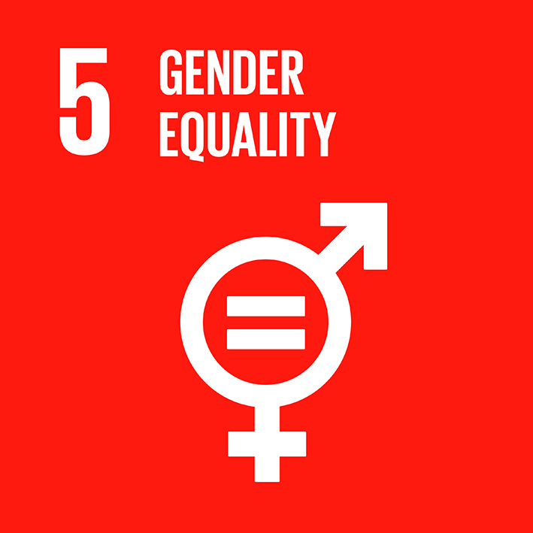
Goal 5 Achieve gender equality and empower all women and girls

